CEA-Data
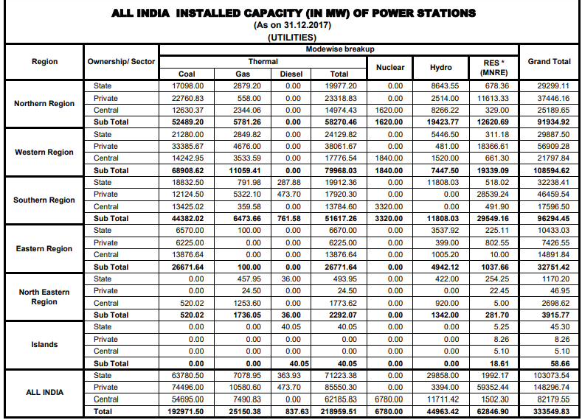
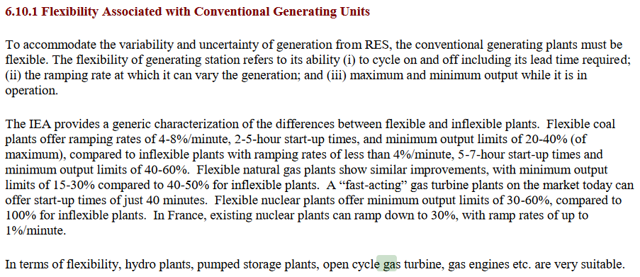

 | pp 6.19
 | http://www.cea.nic.in/reports/committee/nep/nep_jan_2018.pdf

 | pp 8.5
 | http://www.cea.nic.in/reports/committee/nep/nep_jan_2018.pdf

Installed Capacity, 2017, Source-wise
http://www.cea.nic.in/reports/monthly/installedcapacity/2017/installed_capacity-12.pdf
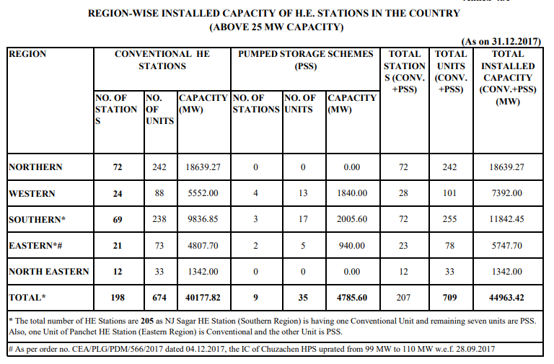

Installed Large Hydro Capacity, 2017, by type
http://www.cea.nic.in/reports/monthly/hydro/2017/hydro_stations-12.pdf

